Tuning result
Tuning result

Tuning Conditions
 | Setup item | Setting value
 | Model Information | SR-X300
 | Exposure upper limit (us) | 780
 | Angle (skew) during tuning | 5
 | Angle (pitch) during tuning | -1

Light Settings
 | Setup item | Setting value
 | Use internal lighting | Enable
 | Use external lighting | Enable

Reading Details
 | Tuning graph | Captured image
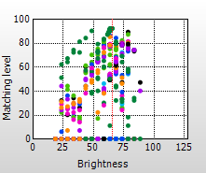


Tuning result
 | Setup item | Setting value
 | Symbology | DataMatrix
 | Reverse read | Disable
 | Decode timeout(x10 ms) | 21
 | Type of internal lighting | Direct light
 | Exposure (us) | 740
 | Gain | 20
 | Image filter | Shrink
 | Image capture range | 1920 x 1200
 | PPC | 6.886
 | Code size width (approximation; mm) | 3.868
 | Cell size width (approximation; mm) | 0.283

